Jan-24
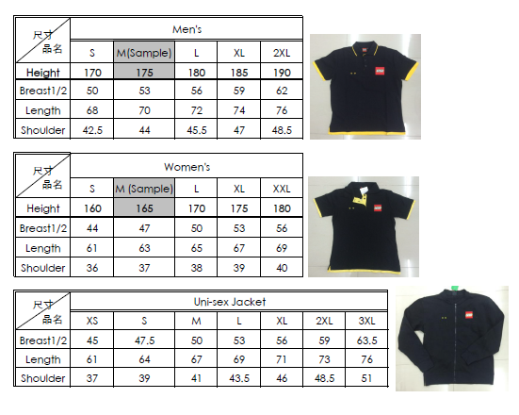
LCS Store Staff Uniform Order Form

Market :
Name of Partner :

Contact Person and email address :
Full Company's Name :
Full Delivery Address :
Post code:

Recipient Information
Contact Person and email address :
Full Company's Name :
Full Delivery Address :
Post code:
Contact Phone:
Email Address :

Billing Address and Contact Person (if different from above) :
Shipment logistics:( )
(1) Unforms will be shipped out of China via airfreight as qty per market should be minimal and not too heavy.
(2) Uniforms will be invoiced to partner directly.

TYPE | DESIGN | PRODUCT DESCRIPTION | Price USD per unit (excludes shipping) | XS | S | M | L | XL | XXL | 3XL | Total qty | Total Price
Mens Polo |  | 60% Cotton 40% Polyester 2 embroidery | 10.84 |  |  |  |  |  |  |  | 0 | -
Female Polo |  | 60% Cotton 40% Polyester 2 embroidery | 10.84 |  |  |  |  |  |  |  | 0 | -
Jackets |  | 60% Cotton 40% Polyester 2 embroidery | 22.58 |  |  |  |  |  |  |  |  | -
Name Badge |  | Blank without name (market can use name sticker) | 2.26 |  |  |  |  |  |  |  | 0 | -

Size Specification

